Indices

 | Iraq Stock Exchange
 | Bulletin No (209)

 | ISX Trading Indices of Sunday 23/11/2025

 | Traded Volume and OTC |  | 531,063,250 |  | Traded Value and OTC |  | 1,269,244,692 |  | Traders | 859
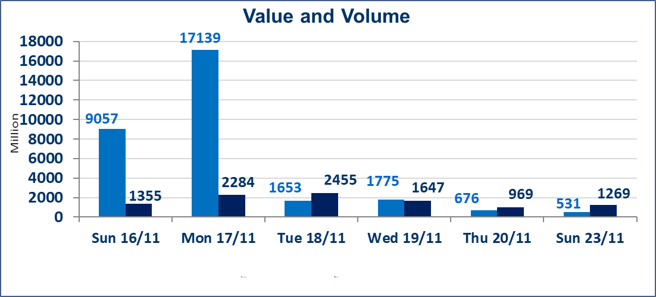
 | ISX Index 60 |  |  | 957.04 | ISX Index 15 |  |  | 1185.64
 | Previous ISX Index60 |  |  | 964.96 | Previous ISX Index15 |  |  | 1191.65
 | Change % |  |  | -0.82 | Change % |  |  | -0.50
 | Change |  |  | -7.92 | Change |  |  | -6.01

 | Listed Companies | 104 | OTC | 11 | Non Traded listed | 40 | OTC | 8
 | Traded Listed Companies | 44 | OTC | 1 | Higher Companies |  |  | 8
 | GAM Companies |  |  | 7 | Lower Companies |  |  | 14
 | Suspended Companies |  |  | 13 | Suspended Companies OTC |  |  | 1
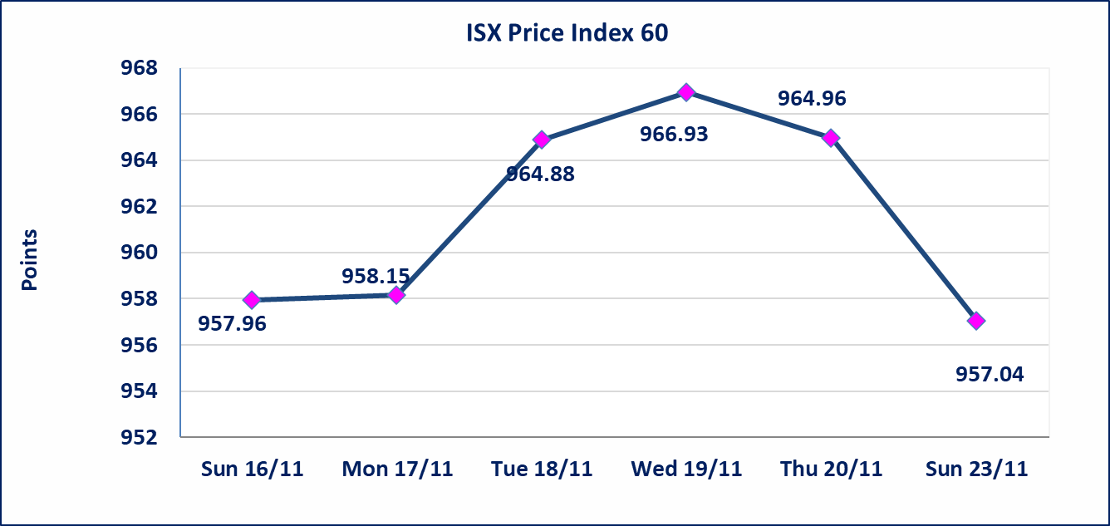
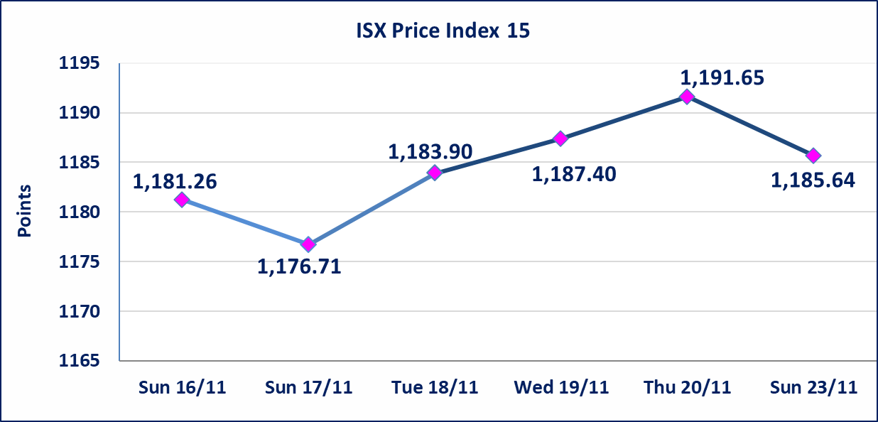

Al-Alwiya P.O . 3607 Mobile: 07711211522 - 07270094594 - 07834000034 E-mail: info-isx@isx-iq.net Web site:www.isx-iq.net

Top 5
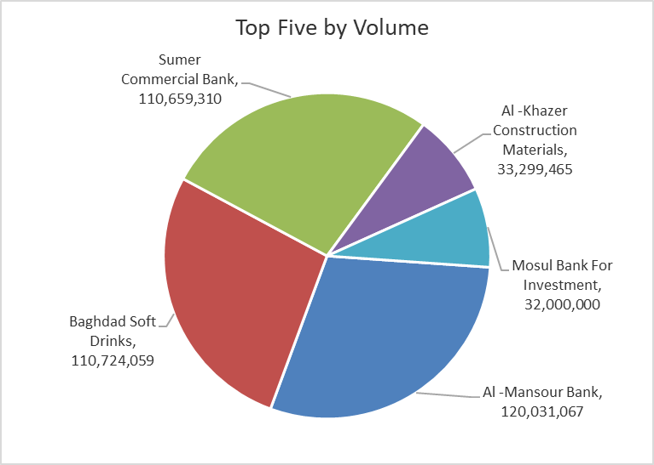
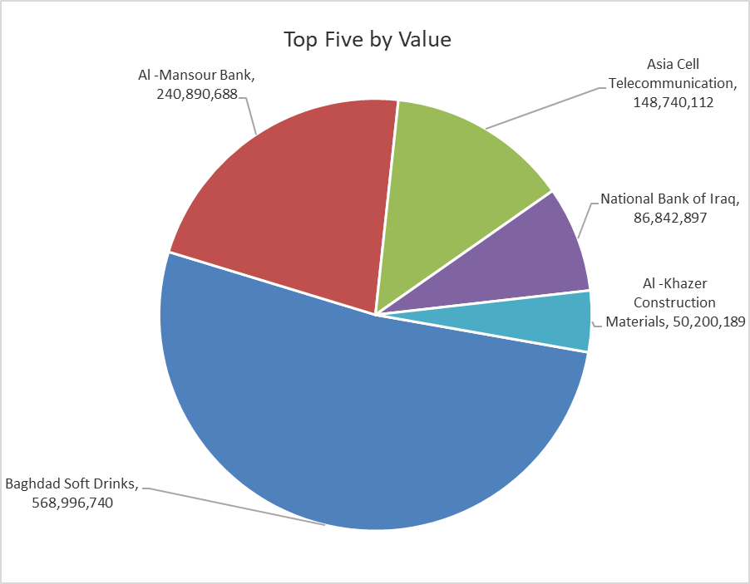
ISX top ganing and losing companies
Sunday 23/11/2025
Gainers |  |  |  | Losers
Company Name | Closing Price | Change (%) | Traded Volume | Company Name | Closing Price | Change (%) | Traded Volume
Al-Ameen Estate Investment | 2.160 | 20.00 | 8,396,943 | AL-Anssari Islamic Bank | 0.210 | -16.00 | 1,000,000
Tourist Village of Mosul dam | 14.540 | 14.94 | 180,189 | Gulf Insurance | 0.550 | -8.33 | 77,238
Al -Khazer Construction Materials | 1.540 | 14.93 | 33,299,465 | Gulf Commercial Bank | 0.290 | -3.33 | 5,423,379
Babil Animal & Vegetable Production | 7.250 | 14.90 | 75,000 | General Transportation | 1.920 | -3.03 | 59,112
Ashour Hotel | 31.000 | 6.90 | 76,102 | Iraqi Islamic Bank | 0.980 | -2.00 | 2,009,790

The most active companies in term of traded volume and value

Traded Volume |  |  |  | Traded Value
Company Name | Closing Price | Change (%) | Traded Volume | Company Name | Closing Price | Change (%) | Traded Value
Al -Mansour Bank | 2.000 | -0.99 | 120,031,067 | Baghdad Soft Drinks | 5.140 | -0.19 | 568,996,740
Baghdad Soft Drinks | 5.140 | -0.19 | 110,724,059 | Al -Mansour Bank | 2.000 | -0.99 | 240,890,688
Sumer Commercial Bank | 0.110 | 0.00 | 110,659,310 | Asia Cell Telecommunication | 13.150 | -0.38 | 148,740,112
Al -Khazer Construction Materials | 1.540 | 14.93 | 33,299,465 | National Bank of Iraq | 4.700 | -1.05 | 86,842,897
Mosul Bank For Investment | 0.150 | 0.00 | 32,000,000 | Al -Khazer Construction Materials | 1.540 | 14.93 | 50,200,189

OTC

Iraq Stock Exchange

Sunday 23/11/2025
OTC Platform Trading Bulletin No (209)
Company Name | Code | highest price | lowest price | Average price | No.of Trades | Traded Volume | Traded Value
Banks Sector
Al-Warka Bank | BWAI | 0.090 | 0.080 | 0.080 | 6 | 16,000,000 | 1,290,000
Total Of Banks Sector |  |  |  |  | 6 | 16,000,000 | 1,290,000
Total |  |  |  |  | 6 | 16,000,000 | 1,290,000

Not Trading OTC Companies
Company Name |  |  | Code |  | Previous Average price
Banks Sector
Hammurabi Commercial Bank |  |  | BHAM |  | ـــــــــــــــــــــــــــــــــــ
Money Service Sector
Rabee Securities |  |  | FRSE |  | 9.500
Karmal Brokerage |  |  | FKSX |  | 10.000
Ishtar Gate for e-Paymant |  |  | FISH |  | 1.000
Sama Baghdad Exchange |  |  | FSBE |  | ـــــــــــــــــــــــــــــــــــ
Iraqi Deposit Insurance Corporation |  |  | FIDI |  | ـــــــــــــــــــــــــــــــــــ
Insurance Sector
Shatt Al Arab Insurance |  |  | NSHA |  | 1.000
Dilina Insurance Company |  |  | NDIL |  | ـــــــــــــــــــــــــــــــــــ

Non OTC

Iraq Stock Exchange
Non Iraqis' Bulletin Sunday Nov 23 2025
Regular Market

Non Iraqi Trading of OTC (Sell)
Company Names | Code | No.of trades | Traded Shares | Trading Volume
Banks Sector
Warka Bank for inv.&Finance | BWAI | 1 | 5,280 | 475
Total Bank sector |  | 1 | 5,280 | 475
Grand Total |  | 1 | 5280 | 475

